Hoja 1
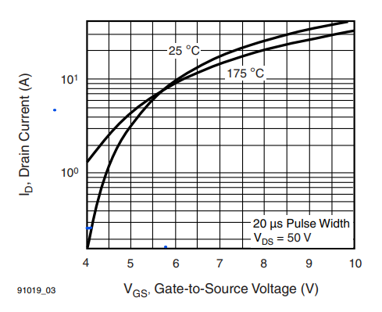
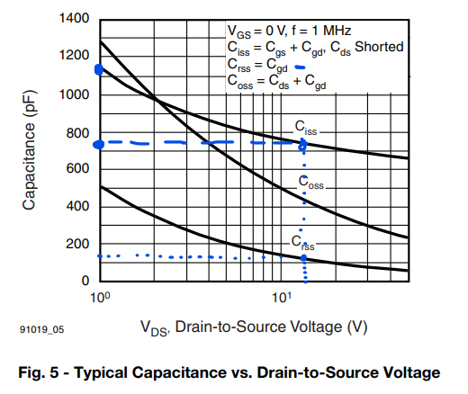
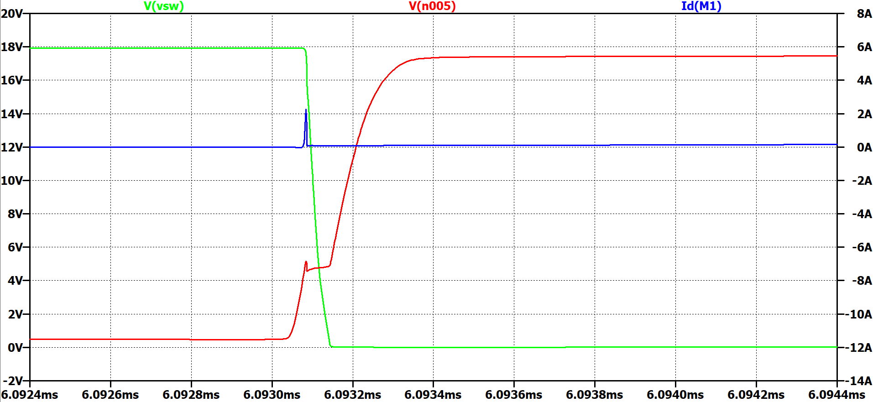
Rgg | Vgg | Ciss1 (Cgd+Cgs) | Ciss2 (Cgd+Cgs) | VgsTH | Vgs,Io(on) | DeltaQ [C] | Tau1 | Tau2 | tdon | trio | tfv | ton | tdoff | trv | tfio | toff
1 | 18 | 7e-10 | 1.15e-08 | 4 | 4.3 | 9.4e-09 | 7e-10 | 2.07e-07 | 2e-10 | 0 | 7e-10 | 9e-10 | 2.964e-07 | 2.2e-09 | 1e-10 | 2.986e-07
10 | 18 | 7e-10 | 1.15e-08 | 4 | 4.3 | 9.4e-09 | 7e-09 | 2.07e-07 | 1.8e-09 | 2e-10 | 6.8e-09 | 8.7e-09 | 2.964e-07 | 2.18e-08 | 5e-10 | 3.186e-07
22 | 18 | 7e-10 | 1.15e-08 | 4 | 4.3 | 9.4e-09 | 1.54e-08 | 2.07e-07 | 3.9e-09 | 3e-10 | 1.5e-08 | 1.92e-08 | 2.964e-07 | 4.79e-08 | 1.1e-09 | 3.454e-07
47 | 18 | 7e-10 | 1.15e-08 | 4 | 4.3 | 9.4e-09 | 3.29e-08 | 2.07e-07 | 8.3e-09 | 7e-10 | 3.21e-08 | 4.11e-08 | 2.964e-07 | 1.023e-07 | 2.4e-09 | 4.011e-07
100 | 18 | 7e-10 | 1.15e-08 | 4 | 4.3 | 9.4e-09 | 7e-08 | 2.07e-07 | 1.76e-08 | 1.5e-09 | 6.83e-08 | 8.74e-08 | 2.964e-07 | 2.177e-07 | 5.1e-09 | 5.191e-07

